vlookup
Use of Vlookup function to lookup data values between 2 different excel spread sheets & find the commons
Vlookup function can also be used to pull information from one spreadsheet on the basis of look up value from the 2nd spreadsheet & concatenate it with the 2nd spreadsheet
Vlookup function consists of the following args =VLOOKUP(Lookup_value,table_array,col_index_num, [range lookup])

1. Open both the spreadsheets that you want to use to retrieve the data

Master Sheet
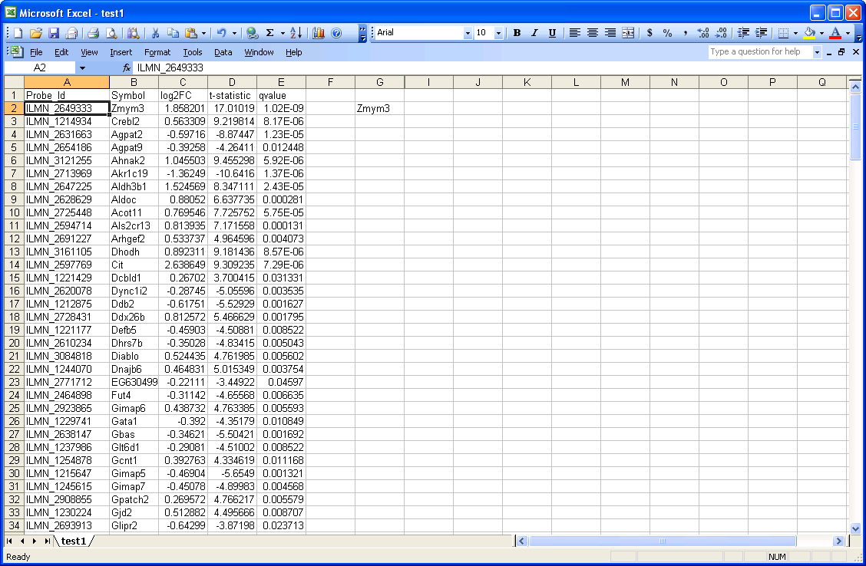

2nd Worksheet
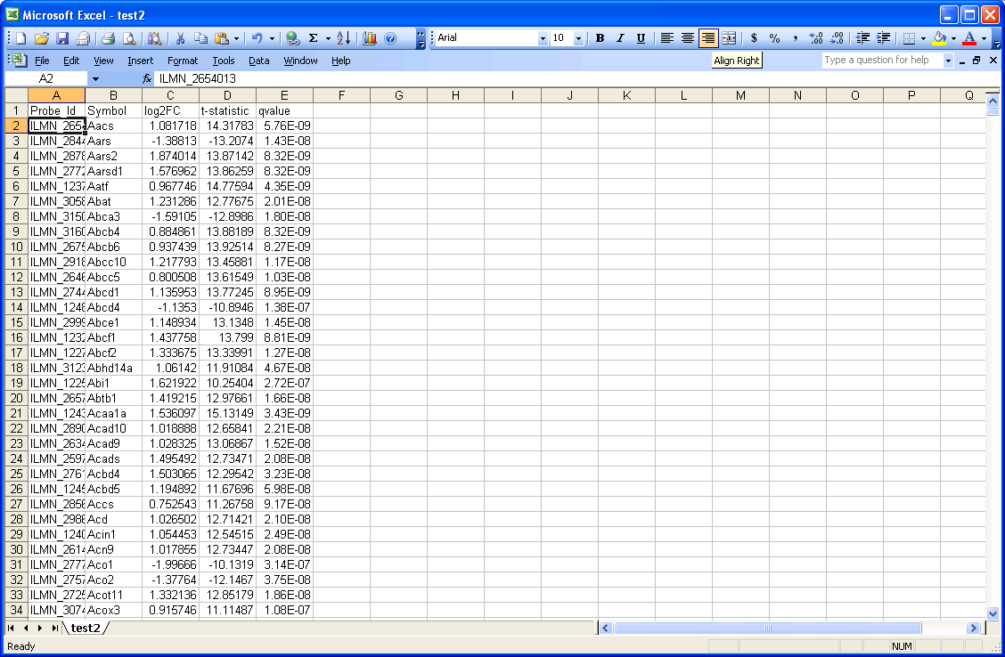

2. In the master sheet, insert formula =vlookup(A2, in an empty column & first cell if you want to retrieve data corresponding to probe ID's, then A2 is the lookup value

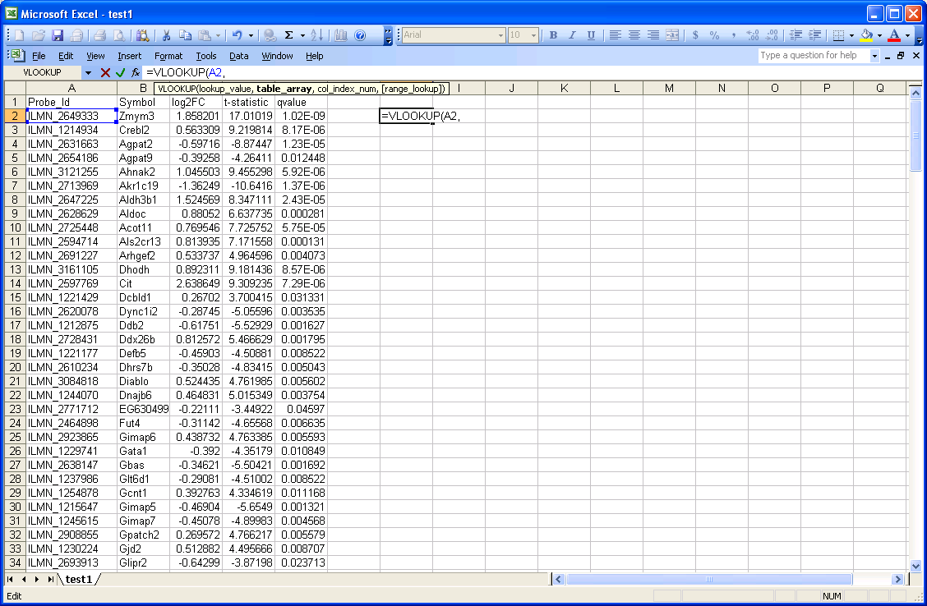

3. Now switch to the 2nd sheet & by pressing Ctrl+Shift + end together, select the data from the 2nd sheet, and enter, it will automatically show the cells for lookup array, i.e., table_array

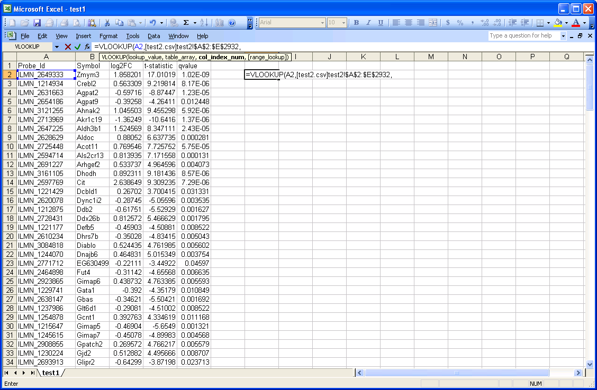

4. For column index # in the excel dialogue box, enter the column # whose entries you want to retrieve from the 2nd sheet corresponding to probe ids, e.g., enter 2 if you want to extract gene symbols, here 2 is the col_index_num

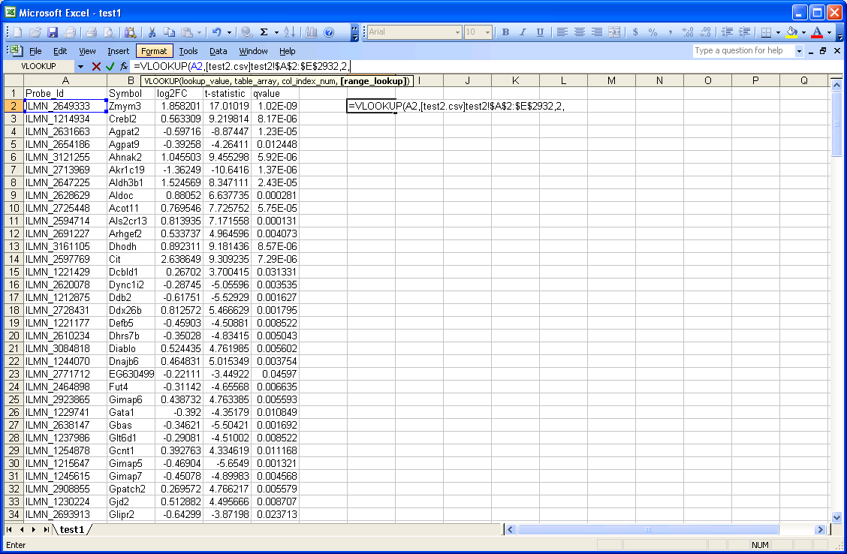

5.For Range Lookup in the excel dialogue box, eneter FALSE (find an exact match=FALSE, or otherwise TRUE), TRUE/FALSE is the range lookup
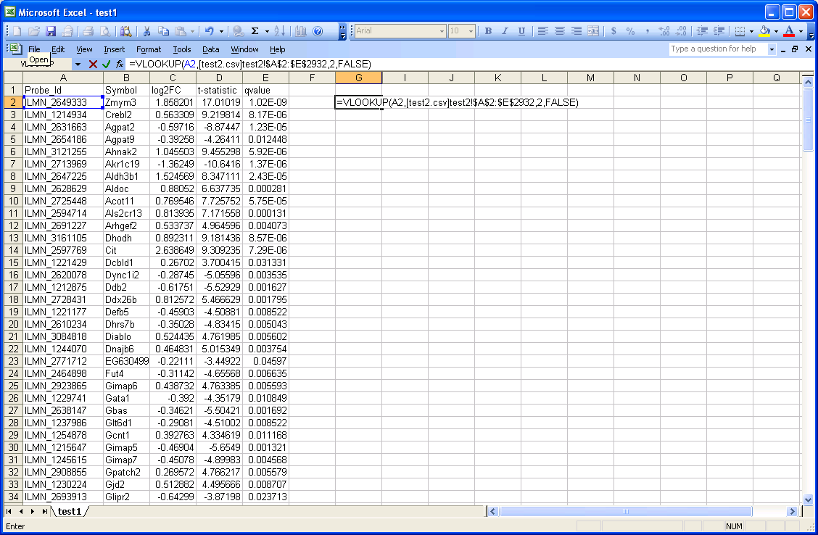

6.After it retrieve the data in the 1st cell of master sheet, copy the formula to the next few cells that you want
7. For more details, go to
Use of Vlookup function with logical function IFERROR
8. You could also use IFERROR function alongwith vlookup function, if you want to say "NOT FOUND" instead of "#N/A" where unique data for master sheet
9. The syntax for IFERROR(value, value_if_error)
10. Again the procedure is the same way, open the master sheet & the 2nd sheet that you want to compare & find out the commons & uniques, etc
11. In an empty column top cell, insert the formula IFERROR(Vlookup(A2, ….), "NOT FOUND"), i.e., the vlookup function works the same way, but insert it within IFERROR function
12. Copy the formula, to other cells as well, where you want to extract the data
13. Go to for further details

